OLD Sales
2023-07-01 | 7/1/2023 | 7/2/2023 | 7/3/2023 | 7/4/2023 | 7/5/2023 | 7/6/2023 | 7/7/2023 | 7/8/2023 | 7/9/2023 | 7/10/2023 | 7/11/2023 | 7/12/2023 | 7/13/2023 | 7/14/2023 | 7/15/2023 | 7/16/2023 | 7/17/2023 | 7/18/2023 | 7/19/2023 | 7/20/2023 | 7/21/2023 | 7/22/2023 | 7/23/2023 | 7/24/2023 | 7/25/2023 | 7/26/2023 | 7/27/2023 | 7/28/2023 | 7/29/2023 | 7/30/2023 | 7/31/2023
 | SAT | SUN | MON | TUE | WED | THU | FRI | SAT | SUN | MON | TUE | WED | THU | FRI | SAT | SUN | MON | TUE | WED | THU | FRI | SAT | SUN | MON | TUE | WED | THU | FRI | SAT | SUN | MON
Weekend Work | Peter | Peter |  |  |  |  |  | Peter | Peter |  |  |  |  |  | Peco | Peco |  |  |  |  |  | Peco | Peco |  |  |  |  |  | Peter | Peter
 | Summer Sale |  |  |  |  |  |  |  |  |  |  |  |  |  |  |  |  |  |  |  |  |  |  |  | Friendship Day
 |  |  |  |  |  | Check comments in this cell | Check comments in this cell |  |  | Switch to BB yellow AND blue 10% off |  |  | Communication changed from next day shipping to now shipping |  |  |  | Website caching problem / Site down for 8 hours |  |  |  | SBF (Blue) - out of stock |  |  | One page checkout live from 3pm | Friendship Day starts at 18:00 CET |  |  | SBF (Blue) Back in stock
 |  |  |  |  |  |  |  |  |  |  |  |  | In-Stock Sale Email | In-Stock Sale Push Notification |  |  | In-Stock Sale Follow-up Email |  |  |  |  |  |  |  |  | Switching FB strategy to separate MOF & BOF

WordPress | $49,127.20 | $44,359.94 | $41,176.95 | $43,682.34 | $40,447.23 | $43,380.21 | $47,720.49 | $53,389.16 | $55,427.36 | $45,887.67 | $51,043.74 | $51,340.77 | $80,153.53 | $68,572.56 | $60,624.25 | $59,856.53 | $32,044.25 | $60,316.30 | $43,139.27 | $47,288.79 | $48,826.10 | $41,957.56 | $40,174.12 | $31,487.95 | $36,143.33 | $30,366.88 | $34,701.54 | $30,849.69 | $32,381.70 | $31,165.57 | $34,474.77
- Hardware | $38,838.30 | $35,153.00 | $33,448.80 | $34,820.96 | $33,275.80 | $35,142.66 | $39,129.40 | $42,610.16 | $43,820.00 | $36,440.66 | $41,884.40 | $42,312.66 | $64,361.40 | $55,693.90 | $47,887.40 | $48,508.86 | $25,786.10 | $48,734.40 | $35,136.70 | $37,751.30 | $39,691.90 | $33,371.70 | $31,170.36 | $25,637.30 | $29,158.29 | $24,819.62 | $29,034.50 | $25,107.36 | $25,791.26 | $24,811.43 | $28,199.20
- Add-ons | $4,520.90 | $3,973.00 | $3,041.00 | $3,854.34 | $2,602.50 | $3,407.34 | $3,307.00 | $4,744.34 | $5,288.20 | $4,194.34 | $3,421.00 | $3,348.34 | $6,765.00 | $4,947.70 | $5,754.50 | $4,532.34 | $2,548.50 | $4,762.00 | $3,096.50 | $4,190.00 | $3,601.00 | $3,856.50 | $4,290.84 | $2,311.00 | $3,009.51 | $2,200.18 | $1,970.50 | $2,210.84 | $2,940.34 | $2,794.17 | $2,493.40
- Merch | $0.00 | $0.00 | $0.00 | $0.00 | $0.00 | $0.00 | $0.00 | $0.00 | $0.00 | $0.00 | $0.00 | $0.00 | $0.00 | $0.00 | $0.00 | $0.00 | $0.00 | $0.00 | $0.00 | $0.00 | $0.00 | $0.00 | $0.00 | $0.00 | $0.00 | $0.00 | $0.00 | $0.00 | $0.00 | $0.00 | $0.00
- Taxes | $2,823.00 | $2,733.94 | $2,277.15 | $2,382.04 | $2,343.93 | $2,470.21 | $2,749.09 | $2,999.66 | $3,139.16 | $2,572.67 | $3,033.34 | $2,959.77 | $4,577.13 | $4,045.96 | $3,397.35 | $3,395.33 | $1,884.65 | $3,534.90 | $2,551.07 | $2,717.49 | $2,883.20 | $2,349.36 | $2,317.92 | $1,784.65 | $2,015.53 | $1,682.08 | $1,861.54 | $1,651.49 | $1,830.10 | $1,799.97 | $1,872.17
- Shipping | $2,945.00 | $2,500.00 | $2,410.00 | $2,625.00 | $2,225.00 | $2,360.00 | $2,535.00 | $3,035.00 | $3,180.00 | $2,680.00 | $2,705.00 | $2,720.00 | $4,450.00 | $3,885.00 | $3,585.00 | $3,420.00 | $1,825.00 | $3,285.00 | $2,355.00 | $2,630.00 | $2,650.00 | $2,380.00 | $2,395.00 | $1,755.00 | $1,960.00 | $1,665.00 | $1,835.00 | $1,880.00 | $1,820.00 | $1,760.00 | $1,910.00
Total Revenue | $49,127.20 | $44,359.94 | $41,176.95 | $43,682.34 | $40,447.23 | $43,380.21 | $47,720.49 | $53,389.16 | $55,427.36 | $45,887.67 | $51,043.74 | $51,340.77 | $80,153.53 | $68,572.56 | $60,624.25 | $59,856.53 | $32,044.25 | $60,316.30 | $43,139.27 | $47,288.79 | $48,826.10 | $41,957.56 | $40,174.12 | $31,487.95 | $36,143.33 | $30,366.88 | $34,701.54 | $30,849.69 | $32,381.70 | $31,165.57 | $34,474.77
Orders | 173 | 181 | 159 | 184 | 171 | 187 | 193 | 236 | 216 | 214 | 204 | 198 | 326 | 288 | 252 | 249 | 147 | 234 | 172 | 198 | 188 | 187 | 171 | 126 | 129 | 114 | 128 | 130 | 126 | 128 | 131
1411507.75
FB - US & CA | $7,590.32 | $9,939.48 | $11,857.85 | $13,975.77 | $13,627.08 | $13,435.73 | $13,643.57 | $14,020.82 | $16,923.12 | $16,638.37 | $14,685.47 | $9,643.71 | $9,544.29 | $13,137.58 | $17,548.71 | $20,371.34 | $14,875.41 | $14,651.00 | $15,983.11 | $16,495.31 | $16,540.43 | $16,840.85 | $17,566.45 | $11,293.80 | $9,326.51 | $9,853.20 | $7,316.48 | $6,685.51 | $6,692.13 | $7,810.96 | $7,705.29
Google - WW | $3,493.03 | $3,318.69 | $3,105.04 | $3,164.26 | $2,740.55 | $3,020.34 | $3,129.51 | $3,393.25 | $3,789.90 | $3,108.44 | $3,475.99 | $3,368.31 | $3,891.75 | $4,289.75 | $4,978.18 | $5,350.38 | $4,262.94 | $5,867.41 | $3,955.40 | $3,443.43 | $4,404.04 | $6,179.63 | $7,876.81 | $6,931.42 | $6,903.19 | $5,631.54 | $6,483.21 | $6,665.27 | $5,627.76 | $3,929.84 | $2,235.27
Bing - WW | $244.51 | $259.80 | $259.73 | $251.56 | $260.93 | $252.96 | $250.94 | $249.85 | $248.72 | $245.95 | $250.54 | $247.66 | $82.36 | $0.00 | $0.00 | $0.00 | $0.00 | $0.00 | $130.29 | $247.33 | $241.87 | $267.60 | $243.50 | $239.41 | $253.25 | $274.45 | $262.48 | $301.09 | $283.72 | $289.28 | $296.90
TikTok - US & CA | $0.00 | $0.00 | $0.00 | $0.00 | $0.00 | $0.00 | $0.00 | $0.00 | $0.00 | $0.00 | $0.00 | $0.00 | $0.00 | $0.00 | $0.00 | $0.00 | $0.00 | $0.00 | $0.00 | $0.00 | $0.00 | $0.00 | $0.00 | $0.00 | $0.00 | $0.00 | $0.00 | $0.00 | $0.00 | $0.00
MNTN TV
Affiliate Fees - US | $0.00 | $0.00 | $0.00 | $0.00 | $0.00 | $0.00 | $0.00 | $0.00 | $0.00 | $0.00 | $0.00 | $0.00 | $0.00 | $0.00 | $0.00 | $0.00 | $0.00 | $156.16 | $131.12 | $215.27 | $264.81 | $122.94 | $187.67 | $229.70 | $157.02 | $108.61 | $196.05 | $49.05 | $0.00 | $136.42 | $0.00
Total Spend | $11,327.86 | $13,517.97 | $15,222.62 | $17,391.59 | $16,628.56 | $16,709.03 | $17,024.02 | $17,663.92 | $20,961.74 | $19,992.76 | $18,412.00 | $13,259.68 | $13,518.40 | $17,427.33 | $22,526.89 | $25,721.72 | $19,138.35 | $20,674.57 | $20,199.92 | $20,401.34 | $21,451.15 | $23,411.02 | $25,874.43 | $18,694.33 | $16,639.97 | $15,867.80 | $14,258.22 | $13,700.92 | $12,603.61 | $12,166.50 | $10,237.46
542625.68
ROAS | 4.34 | 3.28 | 2.70 | 2.51 | 2.43 | 2.60 | 2.80 | 3.02 | 2.64 | 2.30 | 2.77 | 3.87 | 5.93 | 3.93 | 2.69 | 2.33 | 1.67 | 2.92 | 2.14 | 2.32 | 2.28 | 1.79 | 1.55 | 1.68 | 2.17 | 1.91 | 2.43 | 2.25 | 2.57 | 2.56 | 3.37
CAC | $65.48 | $74.68 | $95.74 | $94.52 | $97.24 | $89.35 | $88.21 | $74.85 | $97.05 | $93.42 | $90.25 | $66.97 | $41.47 | $60.51 | $89.39 | $103.30 | $130.19 | $88.35 | $117.44 | $103.04 | $114.10 | $125.19 | $151.31 | $148.37 | $128.99 | $139.19 | $111.39 | $105.39 | $100.03 | $95.05 | $78.15
CR | 1.45% | 1.34% | 1.22% | 1.41% | 1.38% | 1.42% | 1.45% | 1.80% | 1.45% | 1.52% | 1.67% | 1.75% | 2.29% | 1.49% | 2.27% | 1.59% | 1.24% | 2.13% | 1.75% | 2.20% | 1.53% | 1.55% | 1.39% | 1.25% | 1.38% | 1.15% | 1.39% | 1.54% | 1.59% | 1.43% | 1.70%
AOV | $283.97 | $245.08 | $258.97 | $237.40 | $236.53 | $231.98 | $247.26 | $226.23 | $256.61 | $214.43 | $250.21 | $259.30 | $245.87 | $238.10 | $240.57 | $240.39 | $217.99 | $257.76 | $250.81 | $238.83 | $259.71 | $224.37 | $234.94 | $249.90 | $280.18 | $266.38 | $271.11 | $237.31 | $257.00 | $243.48 | $263.17
fAOV | $230.00 | $250.00 | $246.65 | $202.04 | $207.45 | $209.04 | $238.00 | $232.00 | $209.70 | $204.43 | $210.20 | $219.24 | $210.16 | $211.85 | $211.62 | $212.28 | $199.44 | $218.72 | $223.74 | $219.67 | $211.86 | $209.25 | $204.42 | $235.35 | $223.39 | $239.80 | $244.19 | $247.00 | $251.00 | $220.65 | $238.88
rAOV | $218.00 | $242.00 | $182.50 | $208.07 | $226.03 | $236.70 | $222.00 | $199.00 | $124.55 | $111.81 | $116.24 | $203.05 | $159.26 | $203.10 | $138.28 | $146.12 | $82.14 | $226.82 | $50.38 | $221.05 | $116.11 | $163.28 | $142.14 | $83.50 | $246.00 | $65.00 | $45.50 | $155.00 | $37.00 | $116.29 | $98.33

Customers
Returning | 0.60% | 2.26% | 1.27% | 1.63% | 2.34% | 3.21% | 1.05% | 0.44% | 0.93% | 4.21% | 2.45% | 1.01% | 2.45% | 3.47% | 4.76% | 5.22% | 5.44% | 4.27% | 4.65% | 3.03% | 5.32% | 2.14% | 4.09% | 9.52% | 1.55% | 1.75% | 1.56% | 0.79% | 0.84% | 5.47% | 4.58%
First-time | 99.40% | 97.74% | 98.73% | 98.37% | 97.66% | 96.79% | 98.95% | 99.56% | 99.07% | 95.79% | 97.55% | 98.99% | 97.55% | 96.53% | 95.24% | 94.78% | 94.56% | 95.73% | 95.35% | 96.97% | 94.68% | 97.86% | 95.91% | 90.48% | 98.45% | 98.25% | 98.44% | 99.21% | 99.16% | 94.53% | 95.42%

Post-purchase Survey
Facebook / Instagram | / | / | / | / | / | / | / | / | / | / | / | / | 42.14% | 0.00% | 0.00% | 0.00% | 0.00% | 0.00% | 0.00% | 32.00% | 39.29% | 42.74% | 42.74% | 41.10% | 29.03% | 37.14% | 31.51% | 31.18% | 34.41% | 32.14% | 31.11%
Friends / Family | / | / | / | / | / | / | / | / | / | / | / | / | 51.57% | 0.00% | 0.00% | 0.00% | 0.00% | 0.00% | 0.00% | 56.00% | 51.79% | 48.39% | 45.16% | 42.47% | 59.14% | 48.57% | 53.42% | 56.99% | 54.84% | 48.81% | 58.89%
TikTok | / | / | / | / | / | / | / | / | / | / | / | / | 1.26% | 0.00% | 0.00% | 0.00% | 0.00% | 0.00% | 0.00% | 0.00% | 0.00% | 0.81% | 0.81% | 2.74% | 3.23% | 4.29% | 4.11% | 1.08% | 0.00% | 0.00% | 3.33%
TV / Radio | / | / | / | / | / | / | / | / | / | / | / | / | 0.00% | 0.00% | 0.00% | 0.00% | 0.00% | 0.00% | 0.00% | 2.67% | 0.00% | 0.81% | 1.61% | 0.00% | 0.00% | 1.43% | 1.37% | 0.00% | 0.00% | 0.00% | 1.11%
Blog / Article | / | / | / | / | / | / | / | / | / | / | / | / | 5.03% | 0.00% | 0.00% | 0.00% | 0.00% | 0.00% | 0.00% | 9.33% | 5.36% | 1.61% | 2.42% | 1.37% | 3.23% | 5.71% | 2.74% | 3.23% | 3.23% | 3.57% | 3.33%
Reddit | / | / | / | / | / | / | / | / | / | / | / | / | / | / | / | / | / | / | / | / | 0.00% | 1.61% | 0.81% | 1.37% | 1.08% | 0.00% | 1.37% | 0.00% | 0.00% | 0.00% | 0.00%
Google, Youtube | / | / | / | / | / | / | / | / | / | / | / | / | / | / | / | / | / | / | / | / | 3.57% | 3.23% | 6.45% | 10.96% | 3.23% | 2.86% | 5.48% | 7.53% | 7.53% | 14.29% | 2.22%
Yahoo, Bing | / | / | / | / | / | / | / | / | / | / | / | / | / | / | / | / | / | / | / | / | 0.00% | 0.81% | 0.00% | 0.00% | 1.08% | 0.00% | 0.00% | 0.00% | 0.00% | 1.19% | 0.00%

 | 2023-07-01 | Goal | % of Goal
Revenue | $1,411,507.75 | $2,000,000 | 70.58%
Spend | $542,625.68 | $666,000 | 81.48%
ROAS | 2.60 | 3.00 | 86.71%
CAC | $94.53
CR | 1.57%
AOV | $245.91
fAOV | $222.32
rAOV | $154.36
Orders | 5,740
Units Sold | 4,752 | 7500 | 63.36%
CAC per Unit | $114.19
First-time customers | 97.02%
Returning customers | 2.98%

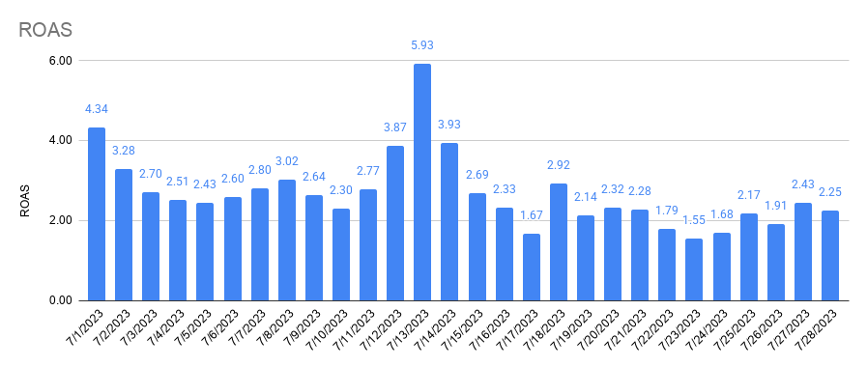
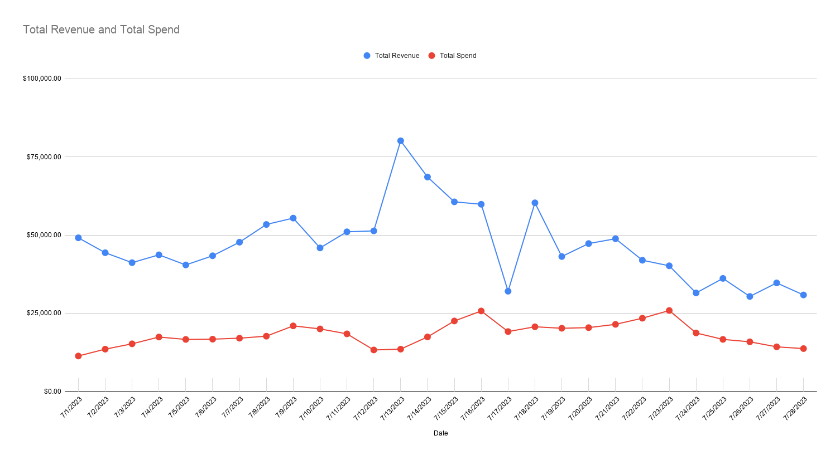

Total Revenue and Total Spend

Returning and First-time Customers

